Last Refresh Date & Time
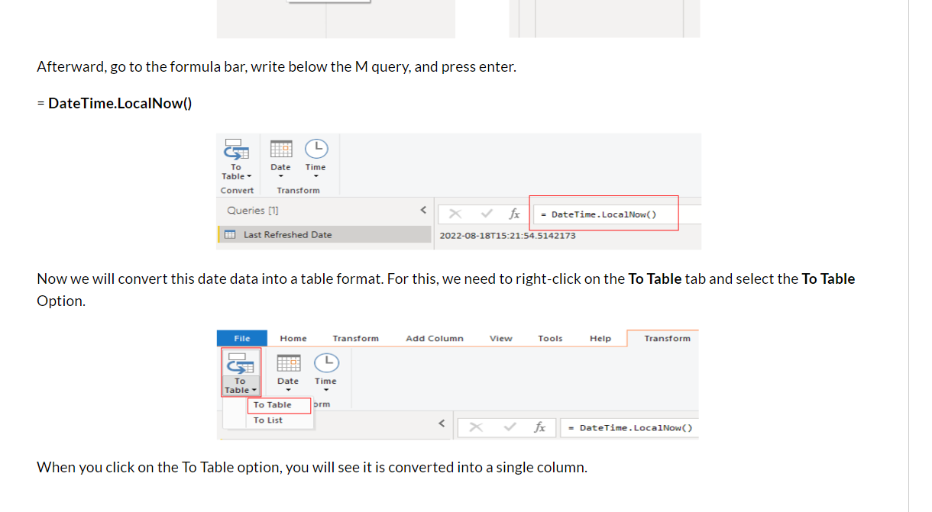
How to Show Last Refresh Date in Power BI
https://blogs.perficient.com/2022/08/24/how-to-show-last-refresh-date-in-power-bi/

= #table(type table[Date Last Refreshed=datetime], {{DateTime.LocalNow()}})

2. Sales Status
1 | Order in hand quantity
 | (Export, Filter on this Visual> OE_Type_Of_Sales)
2 | Order in hand Value (USD)
 | ORDER COST = Vw_OrderReconInfo[QTYORDERED]*Vw_OrderReconInfo[UNITPRICE]
3 | DELIVERY PENDING $
 | COST 2 = Vw_OrderReconInfo[DV Pending Qty]*Vw_OrderReconInfo[UNITPRICE]

 | DV Pending Qty = Vw_OrderReconInfo[QTYORDERED]-Vw_OrderReconInfo[QTYShip]

4 | < 30 $ | 30-60 $ | > 60 $
 | DV AGING Days =
 | SWITCH(TRUE(),
 | AND(Vw_OrderReconInfo[DV Duration]>0,Vw_OrderReconInfo[DV Duration]<=29),"<30 Days GR",
 | AND(Vw_OrderReconInfo[DV Duration]>29,Vw_OrderReconInfo[DV Duration]<=59),"30-60 Days YL",
 | AND(Vw_OrderReconInfo[DV Duration]>60,Vw_OrderReconInfo[DV Duration]>60),"Over 60 Days RD"
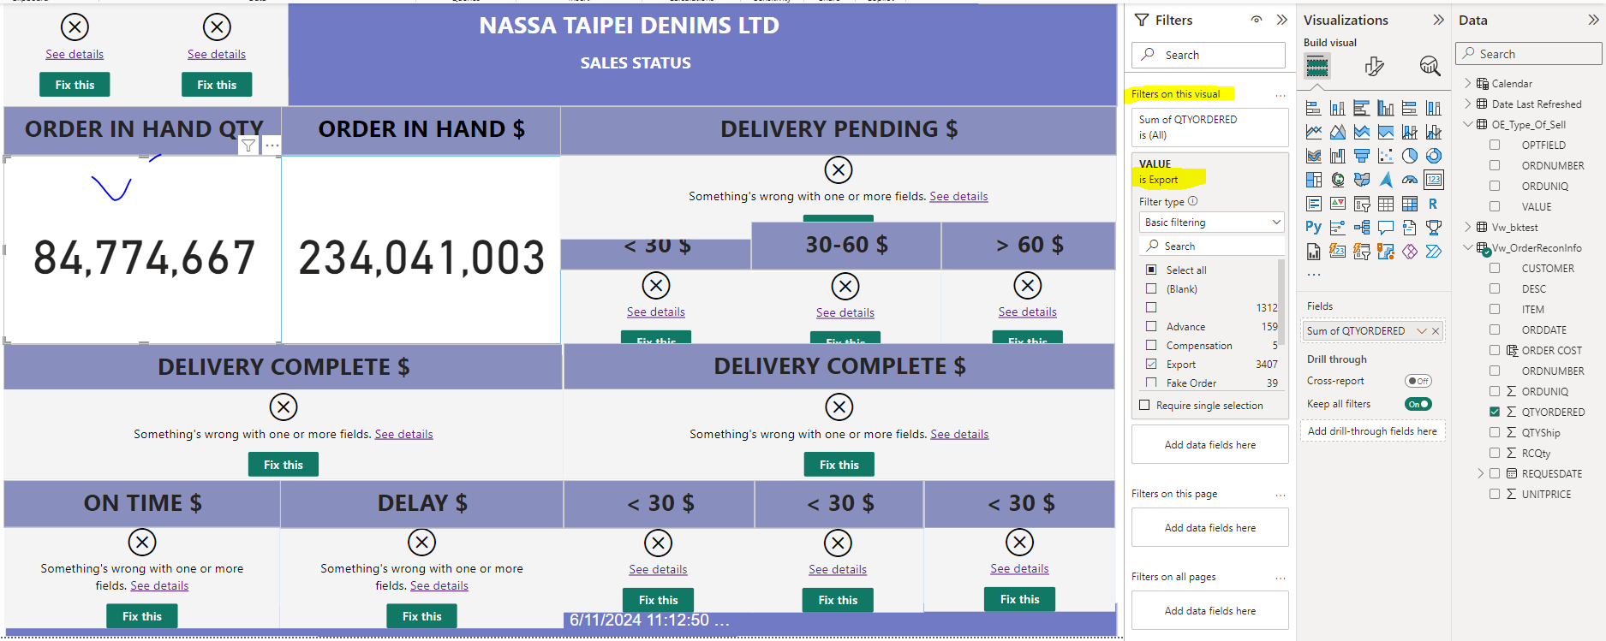
 | )

 | DV Duration = Datediff(Vw_OrderReconInfo[REQUESDATE],today(),day)

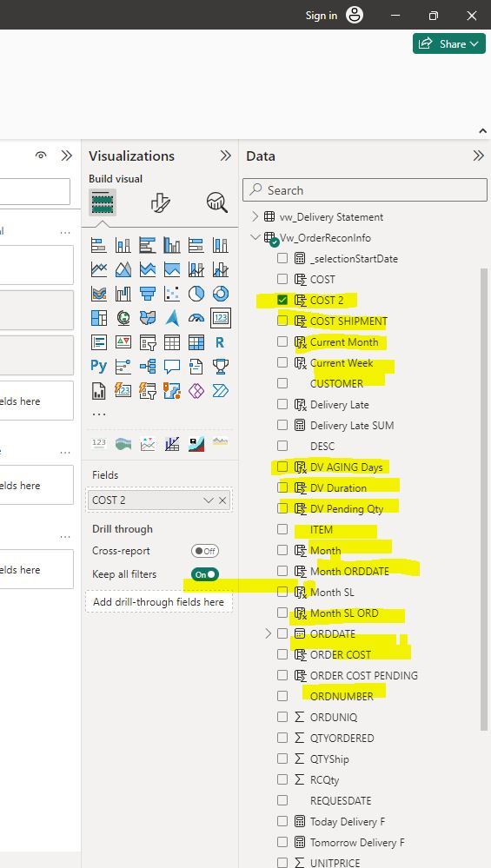
 | Year ORDDATE = YEAR(Vw_OrderReconInfo[ORDDATE])

 | Month SL ORD = SWITCH(TRUE(),
 | Vw_OrderReconInfo[Month ORDDATE]=1,"January",
 | Vw_OrderReconInfo[Month ORDDATE]=2," February",
 | Vw_OrderReconInfo[Month ORDDATE]=3," March",
 | Vw_OrderReconInfo[Month ORDDATE]=4," April",
 | Vw_OrderReconInfo[Month ORDDATE]=5," May",
 | Vw_OrderReconInfo[Month ORDDATE]=6," June",
 | Vw_OrderReconInfo[Month ORDDATE]=7," July",
 | Vw_OrderReconInfo[Month ORDDATE]=8," August",
 | Vw_OrderReconInfo[Month ORDDATE]=9," September",
 | Vw_OrderReconInfo[Month ORDDATE]=10," October",
 | Vw_OrderReconInfo[Month ORDDATE]=11," November",
 | Vw_OrderReconInfo[Month ORDDATE]=12," December"
 | )
 | Month ORDDATE = MONTH(Vw_OrderReconInfo[ORDDATE])

 | Current Month = IF(Vw_OrderReconInfo[Month] = MONTH(TODAY()),"Current",CONVERT(Vw_OrderReconInfo[Month],STRING))
 | Month = MONTH(Vw_OrderReconInfo[REQUESDATE])

 | Current Week = IF(Vw_OrderReconInfo[Week] = WEEKNUM(TODAY(),21), "Current", CONVERT(Vw_OrderReconInfo[Week],STRING))
 | Week = WEEKNUM(Vw_OrderReconInfo[REQUESDATE])

